Sheet1
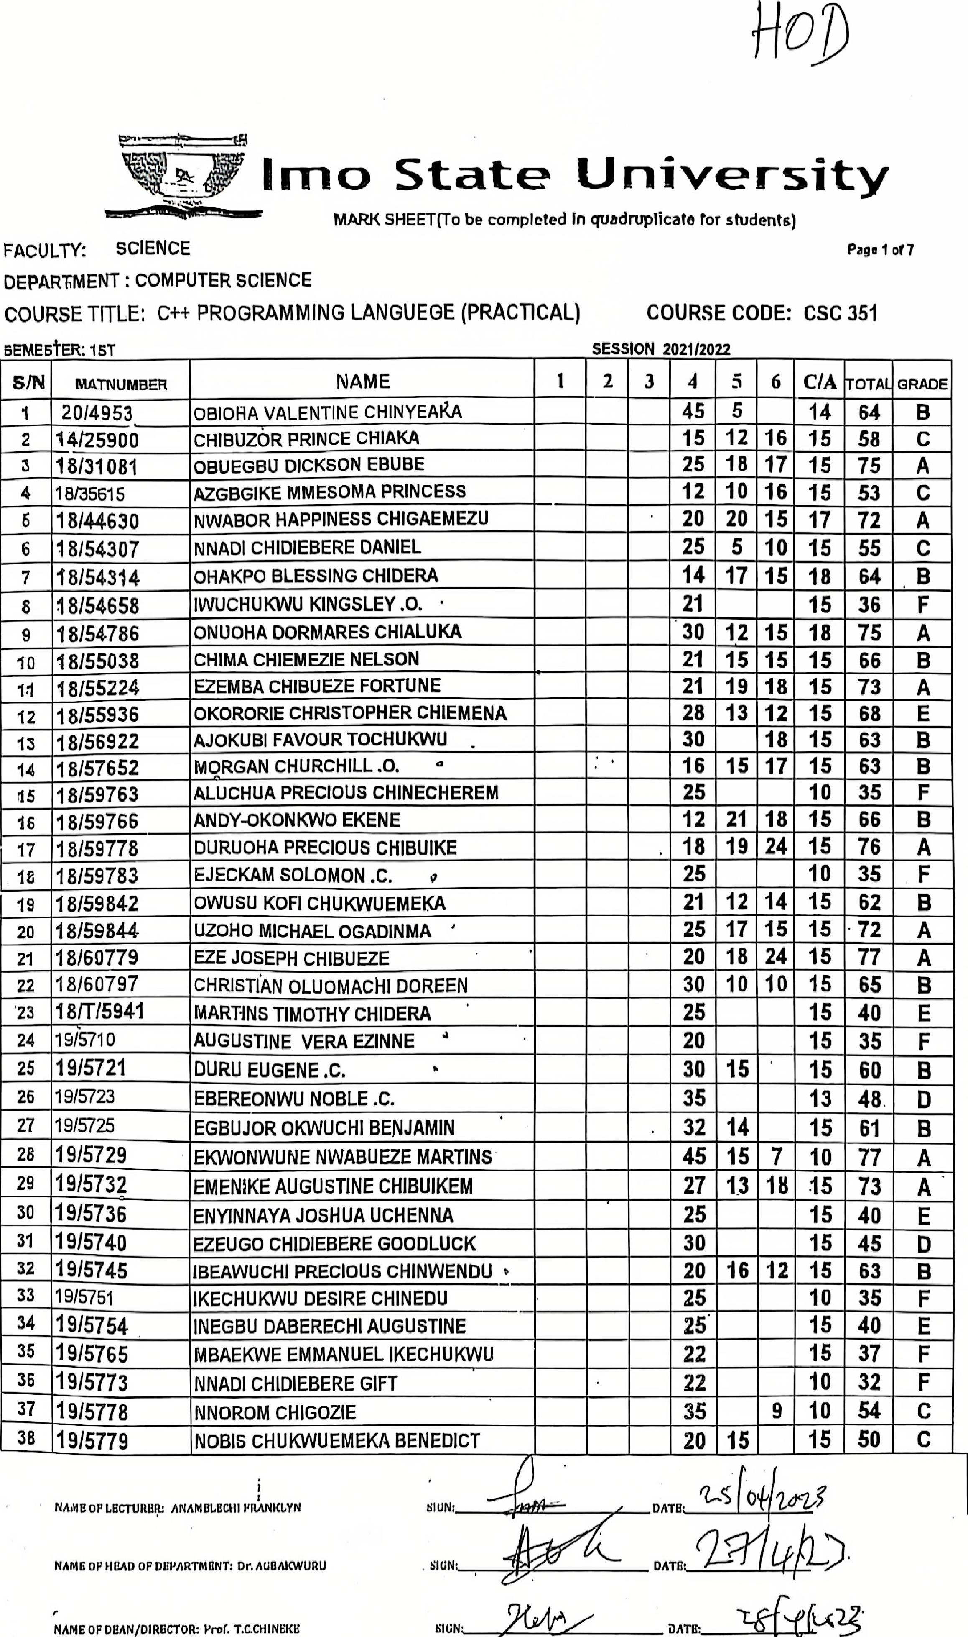

MARK SHEET(To be completed In quadruplicate for students)
Imo State University
,tigifti*eretiesmr
Page 1 of 7
SCIENCE
FACULTY:
COURSE CODE: CSC 351
SESSION 2021/2022
DEPARTMENT : COMPUTER SCIENCE
COURSE TITLE: C++ PROGRAMMING LANGUEGE (PRACTICAL)
BEMEStER: 1ST
SIGN'
DATE:
NAME OF DEAN/DIRECTOR: Prof'. T.G.CHINEXIS
s/N | MTN UMBER | NAME | 1 | 2 | 3 | 4 | 5 | 6 | C/A | TOTAL | GRADE
1 | 2014953 | OBIOHA VALENTINE CHINYEARA |  |  |  | 45 | 5 |  | 14 | 64 | B
EN I r3 | 14/25900 | CHIBUZ6R PRINCE CHIAKA |  |  |  | 15 | 12 | 16 | 15 | 58 | C
 | 18/31081 | OBUEGBU DICKSON EBUBE |  |  |  | 25 | 18 | 17 | 15 | 75 | A
4 | 18/35615 | AZGBGIKE MMESOMA PRINCESS |  |  |  | 12 | 10 | 16 | 15 | 53
6 | 18/44630 | NWABOR HAPPINESS CHIGAEMEZU |  |  | . | 20 | 20 | 15 | 17 | 72 | A
6 | 18154307 | NNADI CHIDIEBERE DANIEL |  |  |  | 25 | 5 | 10 | 15 | 55 | C
7 | 18154314 | OHAKPO BLESSING CHIDERA |  |  |  | 14 | 17 | 15 | 18 | 64
8 | 18/54658 | 1WUCHUKWU KINGSLEY .0. • |  |  |  | 21 |  |  | 15 | 36 | F
9 | 18/54786 | ONUOHA DORMARES CHIALUKA |  |  |  | 30 | 12 | 15 | 18 | 75 | A
io | 1 8/55038 | CHIMA CHIEMEZIE NELSON |  |  |  | 21 | 15 | 15 | 15 | 66 | B
ii | 18155224 | EZEMBA CHIBUEZE FORTUNE |  |  |  | 21 | 19 | 18 | 15 | 73 | A
12 | 1 8/559 3 6 | OKORORIE CHRISTOPHER CHIEMENA |  |  |  | 28 | 13 | 12 | 15 | 68
13 | 18156922 | AJOKUBI FAVOUR TOCHUKWU |  |  |  | 30 |  | 18 | 15 | 63
14 | 18/57652 | MORGAN CHURCHILL .0. .. |  |  |  | 16 | 15 | 17 | 15 | 63
15 | 18/59763 | ALUCHUA PRECIOUS CHINECHEREM |  |  |  | 25 |  |  | 10 | 35 | F
is | 1 8/5976 6 | ANDY-OKONKWO EKENE |  |  |  | 12 | 21 | 18 | 15 | 66 | B
17 | 1 8/59778 | DURUOHA PRECIOUS CHIBUIKE |  |  |  | 18 | 19 | 24 | 15 | 76 | A
18 | 1 8/5978 3 | EJECKAM SOLOMON .C. 0 |  |  |  | 25 |  |  | 10 | 35 | F
19 | 18/59842 | OWUSU KOFI CHUKWUEMEKA |  |  |  | 21 | 12 | 14 | 15 | 62 | B
20 | 18/59844 | UZOHO MICHAEL OGADINMA ' |  |  |  | 25 | 17 | 15 | 15 | -72 | A
21 | 18/60779 | EZE JOSEPH CHIBUEZE |  |  |  | 20 | 18 | 24 | 15 | 77 | A
22 | 1 8/6 0797 | CHRISTIAN OLUOMACHI DOREEN |  |  |  | 30 | 10 | 10 | 15 | 65 | B
23 | 181T/5941 | MARTINS TIMOTHY CHIDERA |  |  |  | 25 |  |  | 15 | 40 | E
24 | 19/5710 | AUGUSTINE VERA EZINNE |  |  |  | 20 |  |  | 15 | 35 | F
25 | 19/5721 | DURu EUGENE .C. " |  |  |  | 30 | 15 |  | 15 | 60
26 | 19/5723 | EBEREONWU NOBLE .C. |  |  |  | 35 |  |  | 13 | 48
27 | 1915725 | EGBUJOR OKWUCHI BENJAMIN |  |  | . | 32 | 14 |  | 15 | 61 | B
28 | 19/5729 | EKvvoNwuNE NWABUEZE MARTINS |  |  |  | 45 | 15 | 7 | 10 | 77 | A
29 | 19/5732 | EmEN1KE AUGUSTINE cHIBUIKEM |  |  |  | 27 | 13 | 18 | 15 | 73 | A
30 | 19/5736 | ENYINNAYA JOSHUA UcHENNA |  |  |  | 25 |  |  | 15 | 40 | E
31 | 19/5740 | EZEUGO CHIDIEBERE GOODLUCK |  |  |  | 30 |  |  | 15 | 45 | D
32 | 19/5745 | IBEAWUCHI PRECIOUS CHINWENDU t |  |  |  | 20 | 16 | 12 | 15 | 63 | B
33 | 19/5751 | IKECHUKWU DESIRE CHINEDU |  |  |  | 25 |  |  | 10 | 35 | F
34 35 | 1915754 | INEGBU DABERECHI AUGUSTINE |  |  |  | 25. |  |  | 15 | 40 | E
 | 19/5765 | MBAEKWE EMMANUEL IKECHUKWU |  |  |  | 22 |  |  | 15 | 37 | F
36 | 19/5773 | NNADI CHIDIEBERE GIFT |  |  |  | 22 |  |  | 10 | 32 | F
37 38 | 1915778 | NNOROM CHIGOZIE |  |  |  | 35 |  | 9 | 10 | 54 | C
 | 19/5779 | NoBis CHUKWUEMEKA BENEDIcT |  |  |  | 20 | 15 |  | 15 | 50

141 14`2i
DATE'
t4)—,)
DATE: (24
NAMC OP LUCTWIIIFO ANAMI3LECIII FR;INICLYN NUM
NAME OP HEAD OF DEPARTMENT: Or. AGDAICWURU SIGN:
Ina() State University
MARK SHEET(To be completed in quadruplicate for students)
FACULTY: SCIENCE Page 2 of 7
DEPARTMENT : COMPUTER SCIENCE
COURSE TITLE: C++ PROGRAMMING LANGUEGE(PRACTICAL) COURSE CODE: CSC 351
S SESSION 202112022
SIN | MATNUMBER | NAME | 1 | Z | 3 | 4 | ir, | 6 | C/A | TOTAL | GRADE
39 | 1915782 | NVVAIGWE YAHBUIKE NOBLE |  |  |  | 40 | 18 |  | 16 | 74 | •A
40 | 1915788 | NWOKEFOROIKECHUKWU COLLINS |  |  |  | 30 | 10 |  | 15 | 55.
41 | 19/5791 | OBI CHIDERA JOHN |  |  |  | 25 |  |  | 10 | 35 | F
42 | 19/5795 | OBIECHEFU EMMANUEL TOCHUKWU |  |  |  | 27 |  |  | 10 | 37 | F
43 | 1915808 | oKEREKE GOSPEL 1ZUCHUKWU |  |  |  | 30 |  |  | 15 | 45 | D
44 | 19/5819 | oNUDHA HENRY cHINoNso • |  |  | . | 25 | 12 |  | 15 | 52 | C
45 | 1915822 | ONYEIGWE sOMTOCHUKWU .T. |  |  |  | 30 |  |  | 15 | 45 | D
46 | 19/5824 | ONYEKWOGALA DANIEL CHIAGOZIEM |  |  |  | 25 | 7 |  | 13 | 45 | D
47 | 1915826 | oNYEWUEKE OBINNA JOSHUA |  |  |  | 35 | 15 | 10 | 15 | 75 | A
48 | 19/5828 | OPARAUGO UZOMA MIRACLE |  |  |  | 30 |  |  | 15 | 45 | D
49 | 1915831 | osoNDU STANLEY CHINoNso |  |  |  | 20 |  |  | 15 | 35 | F
50 | 1915837 | OTUGO REJOICE CHIBUNNA |  |  |  | 20 |  |  | 10 | 30 | F
51 | 19/5844 | TED ASOGWO BELIEVE GOD |  |  |  | 30 |  |  | 8 | 38 | F
52 | 1915847 | UDEH MICHAEL |  |  |  | 25 | 13 |  | 15 | 53 | C
53 | 19/5850 | UGOCHUKWU ERNEST CHINAGOROM |  |  |  | 29 |  |  | 8 | 37 | F
54 | 19/5860 | UZOWURU EDWIN CHIDERA |  |  |  | 20 |  |  | 15 | 35 | F
55 | 19/6386 | UKWU0MA DANIEL cHIBUZ0R |  |  |  | 35 | 15 |  | 13 | 63 | B
56 | 19/64501 | NKWOCHA SOLOMON CHIJINDU |  |  |  | 37 | 16 |  | 15 | 68 | B
57 | 19/DE/5735 | EMMANUEL CYNTHIA |  |  |  | 21 | 18 | 18 | 15 | 72 | A
58 | 1 90E/5775 | NNADOZIE MOSHE CHIMA |  |  |  | 25 | 12 | 19 | 17 | 73 | A
59 | 19/DE/5852 | UGINULO MANFREDWILBERFORCE |  |  |  | 25 |  |  | 17 | 0 | E
60 , | 20/4862 | CHARLES, cHIEMERIE .B. |  |  |  | 15 | 14 |  | 16 | 45 | ❑
61 | 20/4933 | NDUCHEKWE CHRISTIAN .C. |  |  |  | 25 |  |  | 13 | 38 | F
52 | 20/4949 | NZENVVA NNAMD1 HENRY |  |  |  | 35 | 14 |  | 13 | 62 | B
63 | 20/4979 | oNYEAKA AMARAcHUKWU GRACE |  |  |  | 30 |  |  | 15 | 45 | D
64 | 2`0/DE/4966 | oKoNKVVo THADDEUs .0. |  |  |  | 30 | 8 | 12 | 15 | 65
65 | T/60128 | IMO AMARACHI |  |  |  | 20 | 28 |  | 17 | 65
66 |  | ANDCHIMA DANIEL CHIBUIKE . |  |  |  | 20 | 14 | 12 | 15 | 61
67 | o | ANYABU1KE HUMBUNE .c. |  |  |  | 20 | 5 |  | 13 | 38 | F
68 |  | OGUINYE VINCENT |  |  |  | , 25 | 10 | 15 | 12 | 62 | B •
69 |  | 1HEANACHD SOMTOcHUKWU .R. |  |  |  | 30 |  | 10 | 15 | 55 | C
70 |  | OPARA UGO UZOMA MIRACLE |  |  |  | •7 |  |  | 17 | 24 | F
71 |  | OBIDMA MICHAEL .C. |  |  |  | 32 |  |  | 5 | 37 | F
72 |  | NNABUITIE KENNEDY CHIDERA |  |  |  | 25 | 18 |  | 15 | 58 | C
73 |  | GODSON PRINCESON CHUKWUEMEKA |  |  |  | 25 | 15 | 15 | 15 | 70
74 |  | OSUCHUKWU CHUKWUEMEKA .M. |  |  |  | 17 | 18 | 25 | 15 | 75 | A
75 |  | ADIEGWU EMMANUELLA UJUNWA • |  |  |  | 30 | 8 | 10 | 15 | 63 | B
76 |  | ANOSIKE JOHNCHIDI |  |  |  | 34 |  | 5 | 17 | 56 | C

NAME OF LECTURER:: ANAMELECHI FRANKLYN .C. | SIGN _ |  | DATE: q46(E 1`.2e)

NAME OP HEAD OP DEPARTMENT: Dr. AGO AKWURU SIGN,

NAME OF DEAN/DIRECTOR:Prof. T.C.CIIINEHE SIGN; |  | DATE. 2'01 (LA-

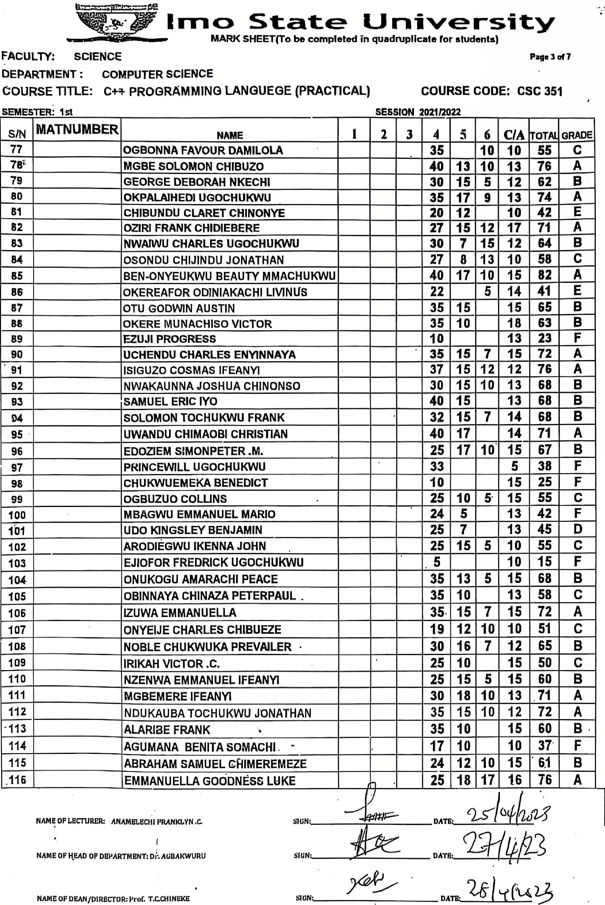

COURSE CODE: CSC 351
Page 3 af 7
SESSION 2021/2022
FACULTY: SCIENCE
DEPARTMENT : COMPUTER SCIENCE
COURSE TITLE: C4--1- PROGRAMMING LANGUEGE (PRACTICAL)
SEMESTER: 1s1
SIGN:
SIGN;
1
NAME OP LECTURER: ANAMELECRI PRANKLYN .C.
NAME OP HEAD OP DEPARTMENT: Di*. AGBAKWURU
Imac) S tat eUnive rsi ty
MARK SHEET(To be completed in quadruplicate for students)
siN | MATNUMBER | NAME | 1 | 2 | 3 | 4 | H, | 6 | C/A | TOTAL | GRADE
77 |  | OGBONNA FAVOUR DAMILOLA |  |  |  | 35 |  | 10 | 10 | 55 | C
78,- |  | MGBE SOLOMON CHIBUZO |  |  |  | 40 | 13 | 10 | 13 | 76 | A
79 |  | GEORGE DEBORAH NKECHI |  |  |  | 30 | 15 | 5 | 12 | 62 | B
BO |  | OKPALAIHEDI UGocHuKwU |  |  |  | 35 | 17 | 9 | 13 | 74 | A
61 |  | CHIBUNDU CLARET CHINONYE |  |  |  | 20 | 12 |  | 10 | 42 | E
82 |  | OZIRI FRANK CHIDIEBERE |  |  |  | 27 | 15 | 12 | 17 | 71 | A
83 |  | NWAIWU CHARLES UGoCHUKWU |  |  |  | 30 | 7 | 15 | 12 | 64 | B
84 |  | osONDU cHIJINDU JONATHAN |  |  |  | 27 | 8 | 13 | 10 | 58 | C
85 |  | BEN-ONYEUKVVU BEAUTY MMACHUKWU |  |  |  | 40 | 17 | 10 | 15 | 82 | A
86 |  | OKEREAFOR ODINIAKACHI LIV1NUS |  |  |  | 22 |  | 5 | 14 | 41 | E
67 |  | OTU GODWIN AUSTIN |  |  |  | 35 | 15 |  | 15 | 65 | B
BB |  | oKERE IVIUNAcHlso VICTOR |  |  |  | 35 | 10 |  | 18 | 63 | B
89 |  | EZUJ1 PROGRESS |  |  |  | 10 |  |  | 13 | 23 | F
90 |  | UCHENDU CHARLES ENYINNAYA |  |  | . | 35 | 15 | 7 | 15 | 72 | A
1 |  | ISIGUZO COSMAS iFEANYI |  |  |  | 37 | 15 | 12 | 12 | 76 | A
92 |  | NVVAKAUNNA JOSHUA CHINONSO |  |  |  | 30 | 15 | 10 | 13 | 68 | B
93 |  | SAMUEL ERIC IYo |  |  |  | 40 | 15 |  | 13 | 68 | B
94 |  | SOLOMON TOCHUKWU FRANK |  |  |  | 32 | 15 | 7 | 14 | 68 | B
95 |  | UWANDU CHIMAOBI CHRISTIAN |  |  |  | 40 | 17 |  | 14 | 71 | A
96 |  | EDOZIEM SIMONPETER .M. |  |  |  | 25 | 17 | 10. | ( 15 | 67 | B
97 |  | PRINCEWILL UGOCHUKWU |  | • |  | 33 |  |  | 5 | 38 | F
98 |  | CHUKWUEMEKA BENEDIcT |  |  |  | 10 |  |  | 15 | 25 | F
99 |  | oGBUZUO COLONS . |  |  |  | 25 | 10 | 5. | 15 | 55 | C
100 |  | MBAGWU EMMANUEL MARIO |  |  |  | 24 | 5 |  | 13 | 42 | F
101 |  | UDo KINGsLEY BENJAMIN |  |  |  | 25 | 7 |  | 13 | 45 | ❑
102 |  | ARODIEGWU IKENNA JOHN . |  |  |  | 25 | 15 | 5 | 10 | 55 | C
103 |  | EJ10FOR FREDRICK UGOCHUKWU |  |  |  | 5 |  |  | 10 | 15 | F
104 |  | ONUKOGU AMARACHI PEACE |  |  |  | 35 | 13 | 5 | 15 | 68 | B
105 |  | OB1NNAYA CHINAZA PETERPAUL _ |  |  |  | 35 | 10 |  | 13 | 58 | C
106 |  | 1ZUWA EMMANUELLA |  |  |  | 35. | 15 | 7 | 15 | 72 | A
107 |  | ONYEIJE CHARLES CHIBUEZE |  |  |  | 19 | 12 | 10 | 10 | 51 | C
108 |  | NOBLE CHUKWUKA PREVAILER • |  |  |  | 30 | 16 | 7 | 12 | 65 | B
109 |  | IRIKAH VICTOR .C. |  | ' |  | 25 | 10 |  | 15 | 50 | C
110 |  | NZENWA EMMANUEL IFEANY1 |  |  |  | 25 | 15 | 5 | 15 | 60 | B
111 |  | IFEANYI _MGBEMERE |  |  |  | 30 | 18 | 10 | 13 | 1 | A
112 |  | NDUKAUBA TOCHUKWU JONATHAN |  |  |  | 35 | 15 | 10 | 12 | 72 | A
-113 |  | ALARIBE FRANK • |  |  |  | 35 | 10 |  | 15 | 60 | B ,
114 |  | AGUMANA BENITA SOMACHI . - | . |  |  | 17 | 10 |  | 10 | 37 | F
115 |  | ABRAHAM SAMUEL CHIMEREMEZE |  |  |  | 24 | 12 | 10 | 15 | •61 | B
0 |  | EMMANUELLA GOODNESS LUKE | n . |  |  | 25 | 18 | 17 | 16 | 76 | A

2,544(lif2
DATE:
DATE. 9, 103
DAT. 2R___23
NAME OF DEAN/O1RECTORz Prof. T.C.CHINIACE
SIGN'
6" rn c) State University
ARK SHEET(To bo complored In quadruplicate for studenta)
FACULTY: SCIENCE Page 4 of 7
DEPARTMENT : COMPUTER SCIENCE
COURSE TITLE: C++ PROGRAMMING LANGUEGE (PRACTICAL) COURSE CODE: CSC 351
SEMESTER: it | SESSION 202112022

S/N | MATNUMBER | NAME | 1 | 2 | 3 | 4 | 5 | 6 | CIA | TOTAL | GRADE
117 |  | IHEANACHO PERPETUAL CHISOM . |  |  |  | 20 | 10 | 10 | 15 | 55 | C
116 |  | EMEHOI FRANKLIN IKEcHUKWU |  |  |  |  | 35 |  | 10 | 45 | D
119 |  | NDUcHEKWE CHRISTIAN .C. - |  |  |  | 10 | 25 | 14 | 15 | 64 | B
120 |  | EWUZIE THELMA IFUNANYA r, |  |  |  | 27 | 14 | 15 | 15 | 71
121 |  | OBODOZIE CHINEME HOPE |  |  |  | 30 | 14 | 7 | 15 | 66
122 |  | EMENUGHA VICTOR IFEANYICHUKWU . |  |  |  | 5 | 40 | 17 | 15 | 77 | A
123 |  | IKWUEGBU EMMANUEL .C. |  |  |  | 22 | 14 | 12 | 15 | 63
•124 |  | IJONGO METON-AWAJI GOGO |  |  |  | 25 |  |  | 10 | 35
125 |  | OKORO PEACE ONYINYECHI |  |  |  | 27 | 12 | 15 | 10 | 64
126 |  | URENEGBULEM SAVIOUR cHIBUEZE |  |  |  | 18 | 15 | 17 | 15 | 65
127 | VI 1 5-W | oDUNNA CHIJINDU EMMANUEL |  |  |  | 24 | 14 | 12 | 15 | 65
128 |  | CHIKEZIE UZOCHUKWU BENNETH ∎ |  |  |  | 35 | 8 | 10 | 15 | 68
129 |  | ERINFOLAMI ABISAYE YUsUF • |  |  |  | 35 | 10 | 17 | 13 | 75 | A
130 |  | UWAZIE NNAEMEKA KENNEDY |  |  |  | 35 | 15 | 12 | 10 | 72 | A
131 | . | AHUNANYA EBERECHUKWU .P. - |  |  |  | 20 | 10 | 12 | 10 | 52 | C
132 |  | IGWE FAVOUR CHIBOSO |  |  |  | 30 | 10 | 10 | 15 | 65 | B
133 |  | ANYANWU ROSEMARY .C. • |  |  | ' | 35 | 9- | 4 | 15 | 63 | B
134 |  | OSUJI CYNTHIA CHIAMAKA |  |  |  | 40 | 2 | 4 | 15 | 61 | B
135 |  | ENYIOHA SOPHIA |  |  |  | 25 | 10 | 12 | 15 | 62
136 137 |  | MADUKA PETER UDOCHUKWU |  |  |  | 30 | 14 | 10 | 18 | 72
 |  | DIMANoziE mmEsomA |  |  |  | 30 | 12 | 8 | 17 | 67 | B
138 |  | OLADIP0 KOLAWOLE ANDERSON |  |  |  | 35 | 10 | 8 | 15 | 68 | B
139 |  | ULOEME IFENNA E |  |  |  | 18 | 13 | 16 | 15 | 62
140 |  | FELIX PRECIOUS UCHENNA 4 |  |  |  | 27 | 11 | 10 | 15 | 63
141 |  | NJOKU PRINCESS NNEKA |  |  |  | 32 | 10 | 18 | 17 | 77 | A
142 |  | OLUMBA BOBBYFRANKLIN NNAEMEKA |  |  |  | 25 | 10 | 12 | 15 | 62 | B
143 |  | DIMANOZIE CHIMDIYA |  |  |  | 35 | 5 | 6 | 15 | 61 | B
144 |  | ADAMS LAWAL LAWRENCE 1 |  |  |  | 35 | 8 | 5 | 15 | 63 | B
145 |  | AZUBUIKE RYBACK CIMAOBI t |  |  |  | 20 |  |  | 15 | 35 | F
146 | . | EPHRAIM SIXTUS 0 % |  |  |  | 30 |  |  | 15 | 45
147 |  | UKAEGBU CHIBUIKE PRINCE |  |  |  | 25 |  |  | 10 | 35 | F
148 |  | IZUOGU CHIDOZIE EMMANUEL |  |  |  | 25 |  |  | 10 | •35 | F
149 |  | CHIKA VICTORY HALIMA ' |  |  |  | 20 |  |  | 15 | 35 | F
150 |  | MODESTUS CONFIDENCE OLUOMACHI |  |  |  | 35 |  |  | 15 | 50 | C
151 |  | OKERE DAVID ONYEUBA | . |  |  | 30 |  |  | 15 | 45 | D
152 | - | AHANEKU VICTOR cHIEMERIE |  |  |  | 25 |  |  | 10 | 35 | F
153 |  | EZENWAoGENE MIRACLE CHINONSO |  |  |  | 30 |  |  | 15 | 45 | D
154 |  | EZIJi PROGRESS AKUBATA ' |  |  |  | 35 |  |  | 15 | 50 | C
155 |  | OLIVER CHISOM CAROLYN |  |  | . | 20 |  |  | 10 | 30 | F
156 | . | CHINEMEKEM BEN CHIMEZIE | A |  |  | 30 |  |  | 15 | 45

NAME oF LECTURER.' ANAMELLICIII FILANKLYN .C.
NAME OF HEAD OF DEPARTMEN'f: Dr. AGRA.KWURU
' SION• 7j "Tu.
DATE:
SIGN

NAME OP DEAN/D1RECTOPL: Prof. T.C.CHINUKE SIGN' DAT
E•
34,-14-1-og

I Imo State University
MARK SHEET(To be completed in quadruplicate for students)
FACULTY: SCIENCE Page 5 of 7
DEPARTMENT : COMPUTER SCIENCE
COURSE TITLE: C++ PROGRAMMING LANGUEGE (PRACTICAL) COURSE CODE: CSC 351
SEMESTER: 1 st SESSION 202112022
siN | MATNUIVIBER | NAME | 1 | 2 | 3 | 4 | 1 In | 6 | C/A | TOTAL | GRADE
157 |  | OBASI ESTHER ADINACHI |  |  |  | 40 |  |  | 15 | 55 | C
158 |  | IHEKWOABA EMMANUEL 4 |  |  |  | 30 | 15 |  | 18 | 63 | B
159 |  | ANosIKE CHUKWUEBUKA • |  |  |  | 30 | 15 |  | 15 | 60 | B
160 |  | MADU DANIEL EKENE |  |  |  | 25 | 8 |  | 15 | 48 | D
161 |  | INNOCENT IFEANYI WINNER |  |  |  | 17 |  |  | 15 | 32 | F
162 |  | EKWURU ESOMCHUKWU •D. |  |  |  | 29 | 15 |  | 13 | 57
163 |  | DURUEKE BRIGHT .C. |  |  |  | 30 |  |  | 8 | 38 | F
164 |  | CAUSTUS NOBERT CHISOM |  |  |  | 35 |  |  | 10 | 45 | D
165 |  | EMENODI OLUCHI MIRACLE |  |  |  | 20 |  |  | 15 | 35 | F
166 |  | ANAZODO ZIK0RA .c. . |  |  |  | 18 |  |  | 10 | 28 | F
167 | _ | EMEZIGE FRANKLIN V.0 |  |  |  | 35 |  |  | 10 | 45 | D
168 |  | IBEZIM VIVIAN CHINAZA . |  |  |  | 18 | 9 |  | 10 | 37
169 |  | NWAMAD1CHIJINDU MAXWELL |  |  |  | 30 |  |  | 15 | 45 | D
170 |  | EKEZ1E CHUKWUEBUKA DANIEL |  |  |  | 15 |  |  | 15 | 30 | F
171 |  | NNABUIHE KENNEDY |  |  |  | 25 | 18 |  | 10 | 53 | C
172 |  | WLOEME IFENNA EMMANUEL |  |  |  | 17 |  |  | 10 | 27 | F
173 |  | NWANERI CHUKWUMA JOSEPH |  |  |  | 30 |  |  | 10 | 40 | E
174 | . | AZUBUIKE ALEX OL1SE |  |  |  | 25 |  |  | 10 | 35 | F
175 |  | IMOH KINGSLEY • |  |  |  | 25 |  |  | 10 | 35 | F
176 |  | MICHEAL OGUEGBU CHUKWUEBUKA |  |  |  | 30 |  |  | 15 | 45 | D
177 |  | FEUX GOD'S FAVOUR |  |  |  | 15 |  |  | 15 | 30 | F
178 |  | NWAYWA JUSTIN .N. |  |  |  | 20 |  |  | 15 | 35 | F
179 |  | CHINAKA CLINTON OBINNA - |  |  |  | 20 | 10 |  | 15 | 45
'180 |  | BRIGHT CH1NEDU DANIEL |  |  |  | 30 |  |  | 10 | 40
181 |  | NWANSI1GOD'SFAVOUR |  |  |  | 0 |  |  | 10 | 27 | F
182 |  | NWAUBA MARYJANE .C. |  |  |  | 20 |  |  | 15 | 35 | F
0 |  | OKPARA EMMANUEL IFECHUKWU |  |  |  | 30 |  |  | 8 | 38 | F
184 |  | ANYASODOR DAVID 4 |  |  |  | 30 |  |  | 8 | 38 | F
185 |  | AGUNDU FAVOURIFEOMA ' |  |  |  | 25 |  |  | 12 | 37 | F
186 |  | BENNETH VALENTINE CHINEDU |  |  |  | 27 30 | 15 |  | 10 10 | 37 55 | F C
187 |  | OHANYEREM AUGUSTINE
168 |  | ANYANWU MARTINS .C. ' |  |  |  | 24 | 10 |  | 16 | 50 | C
169 |  | AD1EME CHIBUIKE FERGOSON |  |  | . | 22 |  |  | 15 | 37 | F
190 |  | CHUKWUEMEKA FAVOUR KELECHI |  |  |  | 25 |  |  | 13 | 38 | F
191 |  | OKERE CHIGOZIE SUNDAY |  |  |  | 30 |  |  | 15 | 45 | D
192 |  | EMEAGI FRANKLIN IKECHUKWU |  |  |  | 35 |  |  | 10 | 45 | D
193 |  | ADIZUE MMESOMACHI FAVOUR ' |  |  |  | 40 |  |  | 15 | 55 | C
194 |  | UNYINMADU SAMSON | n |  |  | 30 |  |  | 18 | 48 | D

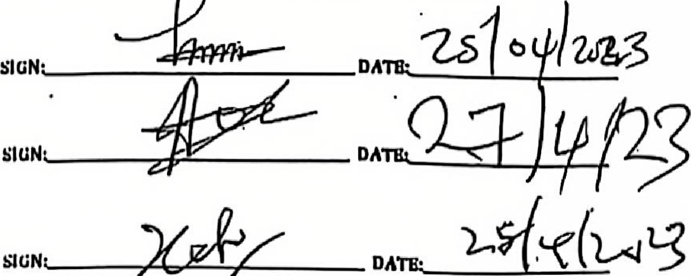

SIGN. DA
NAME OF LECTURER: ARAM ELBCHI FRANKLYN
NAME OP HEAD OP DEPARTMENT: Dr. ABBAHWURU
NAME OF DEAN/DIRECTOR: NroC T.C-CHINEKE

